Adidas
 |  |  |  |  |  |  |  | F | A | 6 | 6.5 | 7 | 7.5 | 8 | 8.5 | 9 | 9.5 | 10 | 10.5 | 11 | 11.5 | 12 | 12.5 | 13 | 13.5 | 14 | 14.5 | 15 | 15.5
 |  |  |  |  |  |  |  | F | B | 2.5 | 3 | 3.5 | 4 | 4.5 | 5 | 5.5 | 6 | 6.5 | 7 | 7.5 | 8 | 8.5 | 9 | 9.5 | 10 | 10.5 | 11 | 11.5 | 12
 |  |  |  |  |  |  |  | F | C | 9 | 9.5 | 10 | 10.5 | 11 | 11.5 | 12 | 12.5 | 13 | 13.5 | 1 | 1.5 | 2 | 2.5 | 3 | 3.5 | 4 | 4.5 | 5 | 5.5
 |  |  |  |  |  |  |  | F | E | 3 | 3.5 | 4 | 4.5 | 5 | 5.5 | 6 | 6.5 | 7 | 7.5 | 8 | 8.5 | 9 | 9.5 | 10 | 10.5 | 11 | 11.5 | 12 | 12.5
Image | Range Name | Grade | Stock Code | Gender | Offer Price | Size Code | Total Free Stock | Product Type | L | 3.5 | 4 | 4.5 | 5 | 5.5 | 6 | 6.5 | 7 | 7.5 | 8 | 8.5 | 9 | 9.5 | 10 | 10.5 | 11 | 11.5 | 12 | 12.5 | 13
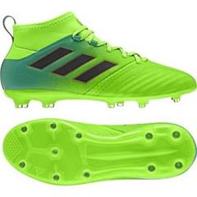 | ADIDAS (F) (FB) ACE 17.1 FG J | A | BB0989 | J | 41.30 EUR | UK | 99 | F | C |  |  |  |  |  |  |  |  |  |  | 1 | 1 | 4 | 5 | 3 | 35 | 14 | 16 | 12 | 8
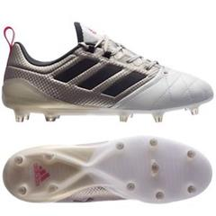 | ADIDAS (F) (FB) ACE 17.1 FG W | A | BA8554 | W | 61.60 EUR | UK | 415 | F | E |  | 27 | 9 | 7 | 23 | 17 | 66 | 61 | 46 | 37 | 52 | 33 | 21 | 16
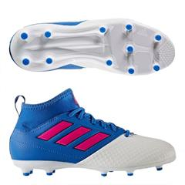 | ADIDAS (F) (FB) ACE 17.3 FG J | A | BA9232 | J | 22.20 EUR | UK | 245 | F | C |  |  |  |  |  |  |  |  |  |  | 11 |  | 15 |  | 21 | 26 | 28 | 52 | 46 | 46
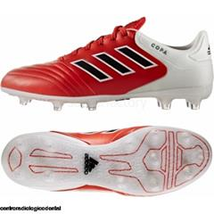 | ADIDAS (F) (FB) COPA 17.2 FG | A | BB3553 | M | 30.60 EUR | UK | 137 | F | E |  |  |  |  |  |  | 80 | 44 |  | 11 |  |  |  |  |  |  | 2
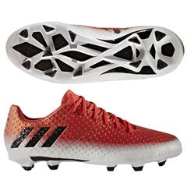 | ADIDAS (F) (FB) MESSI 16.1 FG J | A | BA9142 | J | 34.20 EUR | UK | 527 | F | C |  |  | 15 | 2 | 17 | 21 | 3 | 16 | 3 | 18 | 27 | 3 | 49 | 33 | 9 | 63 | 48 | 66 | 74 | 60
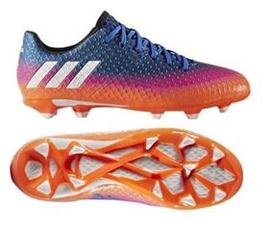 | ADIDAS (F) (FB) MESSI 16.1 FG J | A | BA9143 | J | 34.20 EUR | UK | 355 | F | C |  |  | 10 |  | 8 | 2 | 12 | 5 | 29 | 6 | 25 |  | 33 | 18 | 17 | 27 | 40 | 35 | 58 | 30
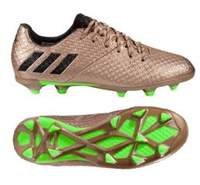 | ADIDAS (F) (FB) MESSI 16.1 FG J | A | BA9830 | J | 34.20 EUR | UK | 31 | F | C |  |  | 1 |  |  | 1 |  |  |  |  |  |  |  | 1 |  | 5 | 1 | 9 | 9 | 4
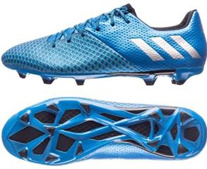 | ADIDAS (F) (FB) MESSI 16.2 FG | A | AQ3111 | M | 30.60 EUR | UK | 84 | F | A |  |  |  |  | 24 | 5 | 26 | 26 |  | 3
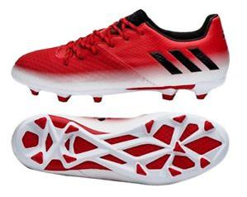 | ADIDAS (F) (FB) MESSI 16.2 FG | A | BA9144 | M | 37.70 EUR | UK | 499 | F | A | 37 | 42 | 16 | 66 | 53 | 43 | 75 | 69 | 16 | 59 | 23
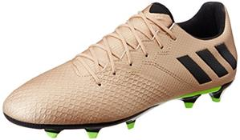 | ADIDAS (F) (FB) MESSI 16.3 FG | A | BA 9838 | M | 25.80 EUR | UK | 31 | F | A | 26 |  | 5
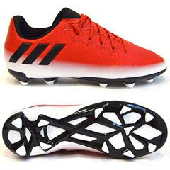 | ADIDAS (F) (FB) MESSI 16.3 FG J | A | BA9148 | J | 22.20 EUR | UK | 3203 | F | C |  |  | 54 | 5 | 48 | 78 | 3 | 88 |  | 140 | 265 | 15 | 344 | 209 | 39 | 519 | 192 | 549 | 465 | 190
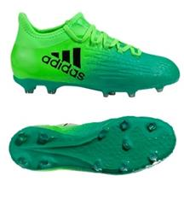 | ADIDAS (F) (FB) X 16.1 FG J | A | BB5841 | J | 34.20 EUR | UK | 221 | F | C |  |  |  |  |  |  | 2 |  | 7 |  | 9 | 3 | 8 | 7 | 20 | 28 | 46 | 30 | 34 | 27
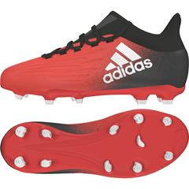 | ADIDAS (F) (FB) X 16.1 FG J | A | BB5691 | J | 34.20 EUR | UK | 240 | F | C |  |  | 24 | 5 | 6 | 12 | 5 | 15 | 7 | 17 | 15 | 2 | 21 | 14 | 6 | 21 | 5 | 28 | 22 | 15
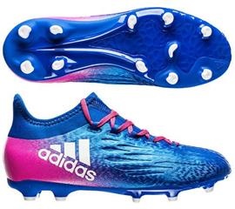 | ADIDAS (F) (FB) X 16.1 FG J | A | BB5692 | J | 34.20 EUR | UK | 281 | F | C |  |  | 6 |  | 6 | 2 | 16 |  | 8 |  |  |  |  | 21 | 10 | 41 | 61 | 33 | 58 | 19
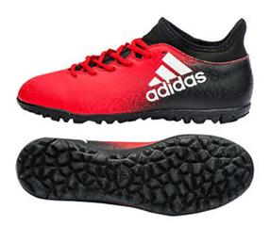 | ADIDAS (F) (FB) X 16.3 TF | A | BB5663 | M | 25.80 EUR | UK | 183 | F | A | 57 |  | 126
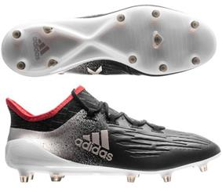 | ADIDAS (F) (FB) X 17.1 FG W | A | BA8561 | W | 58.00 EUR | UK | 225 | F | E |  | 8 | 7 | 1 |  |  | 38 | 33 | 29 | 37 | 25 | 18 | 8 | 19 | 2
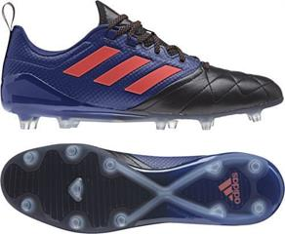 | ADIDAS (F) ACE 17.1 FG W | A | S77044 | W | 49.70 EUR | UK | 72 | F | E |  |  | 1 | 2 | 1 |  | 6 | 28 | 25 | 7 | 1 | 1
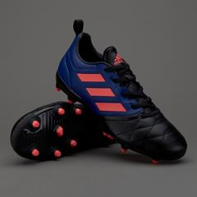 | ADIDAS (F) ACE 17.3 FG W | A | S77059 | W | 22.20 EUR | UK | 1013 | F | E |  | 3 | 58 | 7 | 73 | 89 | 80 | 165 | 167 | 166 | 96 | 87 | 9 | 13
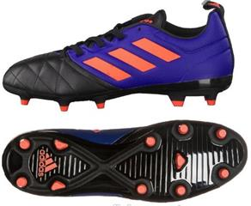 | ADIDAS (F) ACE 17.3 FG W | A | 1S77059 | W | 22.20 EUR | UK | 3132 | F | E |  | 9 | 182 | 20 | 229 | 277 | 249 | 515 | 519 | 518 | 298 | 273 | 30 | 13
 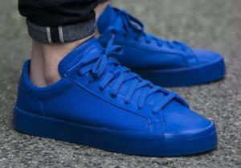  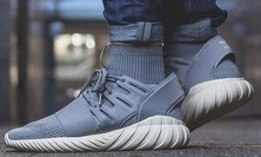  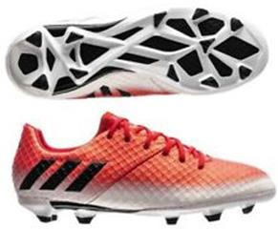 | ADIDAS (F) FB MESSI 16.1 FG J | A | 1BA9142 | J | 34.20 EUR | UK | 790 | F | C |  |  | 19 | 3 | 19 | 23 | 6 | 24 | 7 | 31 | 41 | 5 | 78 | 54 | 16 | 91 | 76 | 102 | 103 | 92
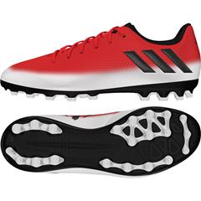 | ADIDAS (F) FB MESSI 16.3 AG J | A | S80761 | J | 22.20 EUR | UK | 198 | F | C |  |  |  |  |  |  |  |  |  |  | 9 |  | 13 | 25 |  | 26 | 9 | 32 | 44 | 40
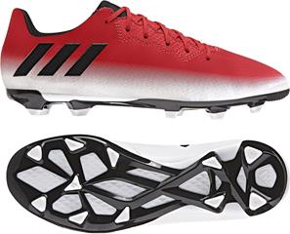 | ADIDAS (F) FB MESSI 16.3 FG J | A | 1BA9148 | J | 22.20 EUR | UK | 2354 | F | C |  |  | 43 | 3 | 31 | 53 |  | 58 |  | 100 | 192 | 6 | 252 | 152 | 29 | 392 | 140 | 422 | 347 | 134
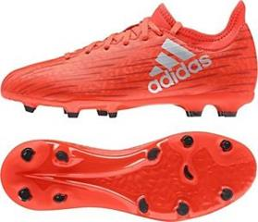 | ADIDAS (F) FB X 16.3 FG J | A | S79489 | J | 16.30 EUR | UK | 70 | F | C |  |  |  |  | 1 |  | 63 |  | 6
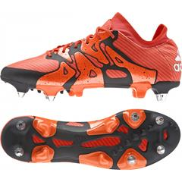 | ADIDAS (F) X 15.1 SG | A | S83168 | M | 46.10 EUR | UK | 87 | F | A | 32 | 38 | 17
       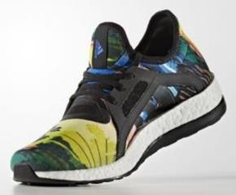 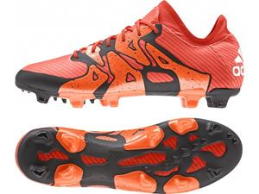 | ADIDAS X 15.1 FG/AG | A | S83148 | M | 58.00 EUR | UK | 34 | F | A | 29 | 4 |  |  |  |  |  |  |  |  |  |  |  |  | 1
 |  |  | Totals |  |  |  | 14526 |  |  | 181 | 131 | 593 | 121 | 539 | 623 | 730 | 1147 | 869 | 1150 | 1090 | 447 | 885 | 600 | 173 | 1274 | 662 | 1374 | 1272 | 665

